Finance Report template
Reference number of invoices/receipts in the supporting documents. For example: total airfare consists of 6 invoice (inv. 01 - 06). These Ref. No. must also be put on the invoice/receipt (i.e. by hand writing)
- All items under actual expenses should be in line with those on the approved budget. Any deviation from budget need to be communicated to the ASEAN Secretariat
- Actual expenses should also be supported by proper documentation, such as: invoices, receipts, etc. Please refer to 'Compulsory Supporting Documents'.
FINANCIAL REPORT

Project Title |  | Workshop - Capacity Building on xxxxxxxx
Implementing Agency |  | ASEC
Duration/Period |  | 01 - 07 May 2012

Budget Line | Description |  | Reference Number | Approved Budget (X) | Actual Expense (Y) | Balance (X - Y)
 | FUND RECEIVED ON (date: dd/mm/yyyy) |  |  |  |  | 180,607.90

Amount of the fund received by the implementing agency
I. PROGRAMME/ACTIVITY COST
A. Airfare
A.1 | International Airfare - Participants |  | Ref. 01 - 06 | 54,000.00 | 51,600.00 | 2,400.00
Total expense for Airfare |  |  |  | 54,000.00 | 51,600.00 | 2,400.00

B. Per diem
B.2 | Per diem |  | Ref. 07 - 20 | 30,000.00 | 30,000.00 | -
Total expense for Per diem |  |  |  | 30,000.00 | 30,000.00 | -

C. Meeting Package / Workshop / Seminar
C.1 | Meeting Packages, Lunch / Dinner / Meal / Receptions |  | Ref. 21 - 23 | 12,600.00 | 12,600.00 | -
C.2 | Secretaries supplies |  | Ref. 24 | 750.00 | 620.00 | 130.00
Total expense for Meeting Package / Workshop / Seminar |  |  |  | 13,350.00 | 13,220.00 | 130.00

SAMPLE
D. Consultant/Expert
D.1 | International Consultant/Expert |  |  | 2,284.00 | 2,284.00 | -
D.2 | Regional Consultant/Expert |  |  | 1,905.00 | 1,905.00 | -
Total expense for Consultant/Expert |  |  |  | 4,189.00 | 4,189.00 | -

E. XXXX
E.1 | XXXX |  |  | 2,250.00 | 2,000.00 | 250.00
E.2 | XXXX |  |  | 1,000.00 | 750.00 | 250.00
Total expense for XXXX |  |  |  | 3,250.00 | 2,750.00 | 500.00

F. XXXX
F.1 | XXXX |  |  | 3,000.00 | 1,800.00 | 1,200.00

Total expense for Sustainability of XXXX |  |  |  | 3,000.00 | 1,800.00 | 1,200.00

SUB TOTAL OF PROGRAMME COST (I) |  |  |  | 107,789.00 | 103,559.00 | 4,230.00

II. OPERATIONAL COST
G. Administrative
G.1 | Office Room Rental |  |  | 6,000.00 | 3,000.00 | 3,000.00
G.2 | Office Supplies |  |  | 1,200.00 | 1,200.00 | -
Total expense for Administrative |  |  |  | 7,200.00 | 4,200.00 | 3,000.00

H. Personnel
H.1 | Salary Assistant Programme Manager |  |  | 24,000.00 | 24,000.00 | -
H.2 | Project Administrative Assistant |  |  | 25,200.00 | 25,200.00 | -
Total expense for Personnel |  |  |  | 49,200.00 | 49,200.00 | -

SUB TOTAL OF OPERATIONAL COST (II) |  |  |  | 56,400.00 | 53,400.00 | 3,000.00
The use of contingency should be communicated prior to the usage
SUB TOTAL (I + II) |  |  |  | 164,189.00 | 156,959.00 | 7,230.00

Contingency 10% (III) |  |  |  | 16,418.90 | 2,000.00 | 14,418.90

TOTAL (I + II + III) |  |  |  | 180,607.90 | 158,959.00 | 21,648.90

The unspent amount must be returned to ASEC within 90 days after project is completed.

sample of supporting docs
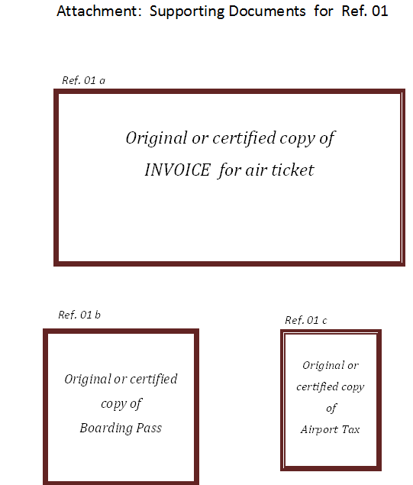

If supporting documents are written in the language other than English, English translation for items minimally required for financial reporting purpose on the documents (i.e. items for goods purchased, services rendered, dates, name of vendor and recipient) must be provided.
These original / certified copy of documents (i.e. invoice, boarding pass, airport tax) should be glued or stapled on a blank paper (size A4).
Supporting documents should be put together according to their sub-item by individual bunch/lot. For example: supporting documents for air ticket should be bundled together (i.e Ref. 01 - 06), then Per diem (Ref. 07 - 20) should also be bundled together, and so on.

SAMPLE

